Solar PV and Wind
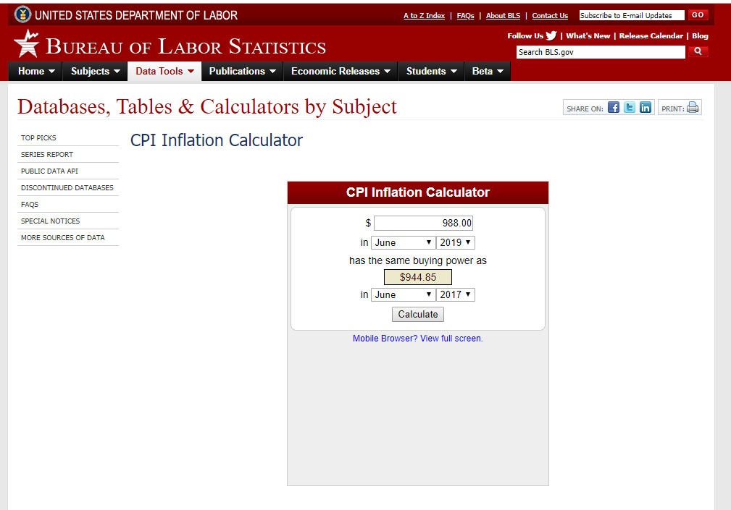
Solar PV
All values converted to $2017 | 2017 | 2018 | 2020 |  | 2030 |  |  | 2030
Resolve 2020 value |  |  | 945
2017 start year value implied using Resolve 2020 value accounting for BAU EPS innovation rate | $1,033 | $998.00 |  |  |  |  |  | $807.63
2030 level implied in EPS |  |  |  |  | $807.63
Lazard 2018 mid-point |  | 1069
Lazard 2017 mid-point calculated with EPS endogenous learning | 1106.2839828

Wind
All values converted to $2017 | 2017 | 2018 | 2020 |  | 2030
Resolve 2020 value |  |  | 1625.28
2017 start year value implied using Resolve 2020 value accounting for BAU EPS innovation rate | $1,703
2030 level implied in EPS |  |  |  |  | $-
Lazard 2018 mid-point |  | 1069

1693

Inputs
Solar |  | 2018 | 2020
"Native dollar year base)
E3 Resolve - 2019 dollars |  |  | 988
 |  | Lazard 2018 range in 2018 dollars
Lazard in 2018 dollars |  | 1100
 |  | 950
 |  | 1250
Wind |  |  | 1693
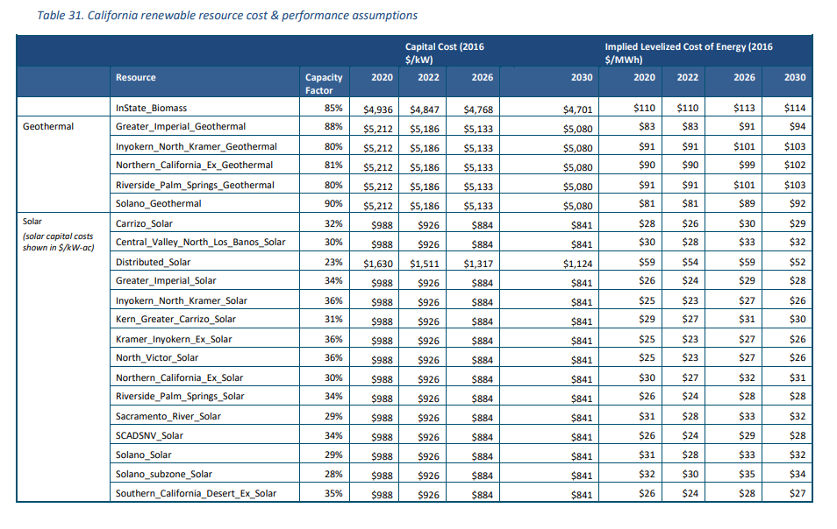
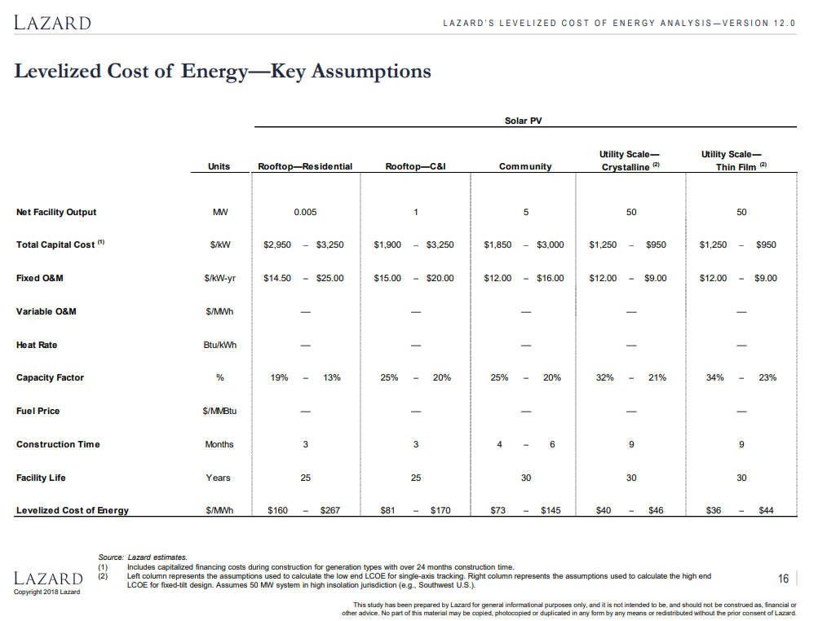

Time (Year) |  | 2017 | 2018 | 2019 | 2020 | 2021 | 2022 | 2023 | 2024 | 2025 | 2026 | 2027 | 2028 | 2029 | 2030

This Year Capacity Costs as Fraction of First Year Capacity Costs[solar PV es] : BAU |  | 1 | 0.966298 | 0.938482 | 0.914985 | 0.894773 | 0.877128 | 0.86154 | 0.847628 | 0.835106 | 0.822341 | 0.810821 | 0.800351 | 0.790778 | 0.781977
This Year Capacity Costs as Fraction of First Year Capacity Costs[onshore wind es] : BAU |  | 1 | 0.983001 | 0.967932 | 0.954429 | 0.942217 | 0.931089 | 0.920881 | 0.911463 | 0.902731 | 0.894977 | 0.887705 | 0.880863 | 0.874407 | 0.868299

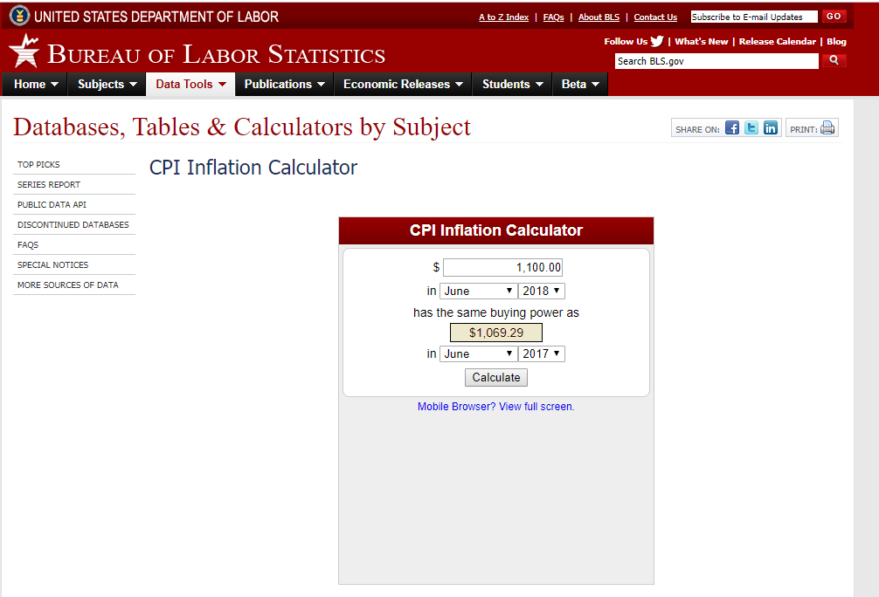
Conversion from current dollars to 2017 | 945 |  |  |  |  |  | 1069
2019 to 2017 CPI adjustment | 0.96

IRP inputs (prelim 2019-20)
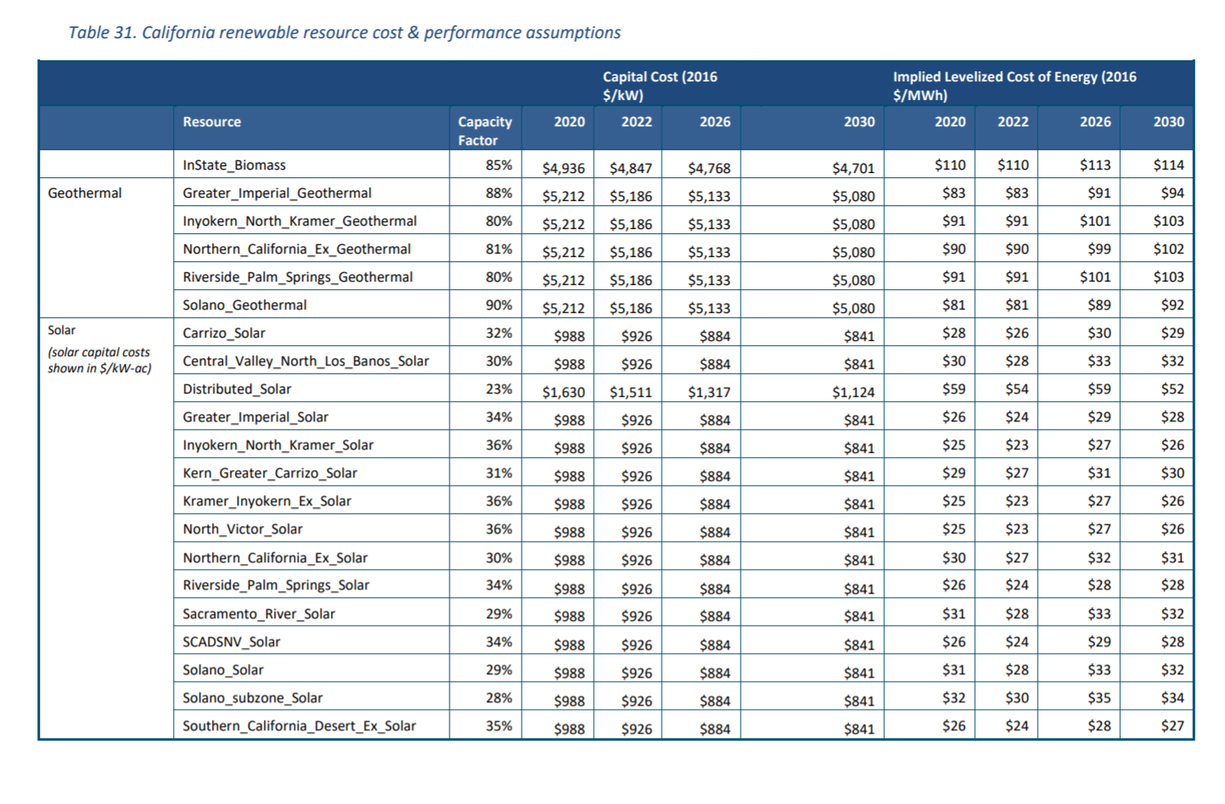
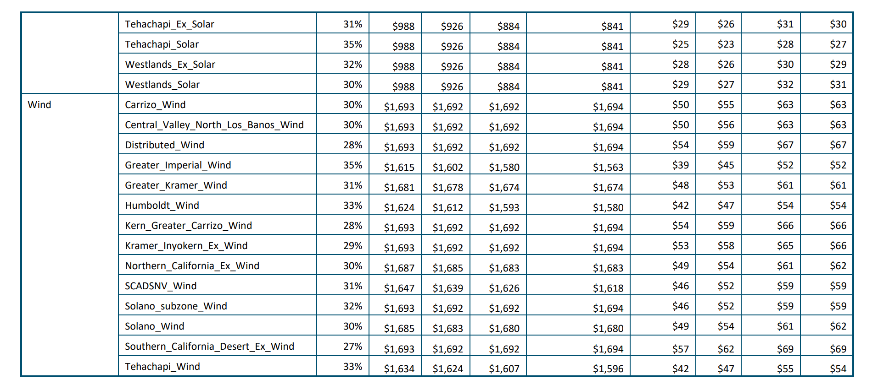
 | 2019 to 2017 CPI adjustment | 2020 | 2022 | 2026 | 2030
Current / 2019$s
Biomass |  | 4936 | 4847 | 4768 | 4701

Geothermal |  | 5212 | 5186 | 5133 | 5080
 | 0.96
2017 $ costs
Biomass |  | 4738.56 | 4653.12
Geothermal |  | 5003.52 | 4978.56

 | $/KW | $/KW | $/MW | $/MW
Time series | Biomass | Geothermal | Biomass | Geothermal
2017 | 4738.56 | 5003.52 | 4738560 | 5003520
2018 | 4738.56 | 5003.52 | 4738560 | 5003520
2019 | 4738.56 | 5003.52 | 4738560 | 5003520
2020 | 4738.56 | 5003.52 | 4738560 | 5003520
2021 | 4695.84 | 4991.04 | 4695840 | 4991040
2022 | 4653.12 | 4978.56 | 4653120 | 4978560
2023 | 4634.16 | 4965.84 | 4634160 | 4965840
2024 | 4615.2 | 4953.12 | 4615200 | 4953120
2025 | 4596.24 | 4940.4 | 4596240 | 4940400
2026 | 4577.28 | 4927.68 | 4577280 | 4927680
2027 | 4561.2 | 4914.96 | 4561200 | 4914960
2028 | 4545.12 | 4902.24 | 4545120 | 4902240
2029 | 4529.04 | 4889.52 | 4529040 | 4889520
2030 | 4512.96 | 4876.8 | 4512960 | 4876800

onshore wind - fixed O&M
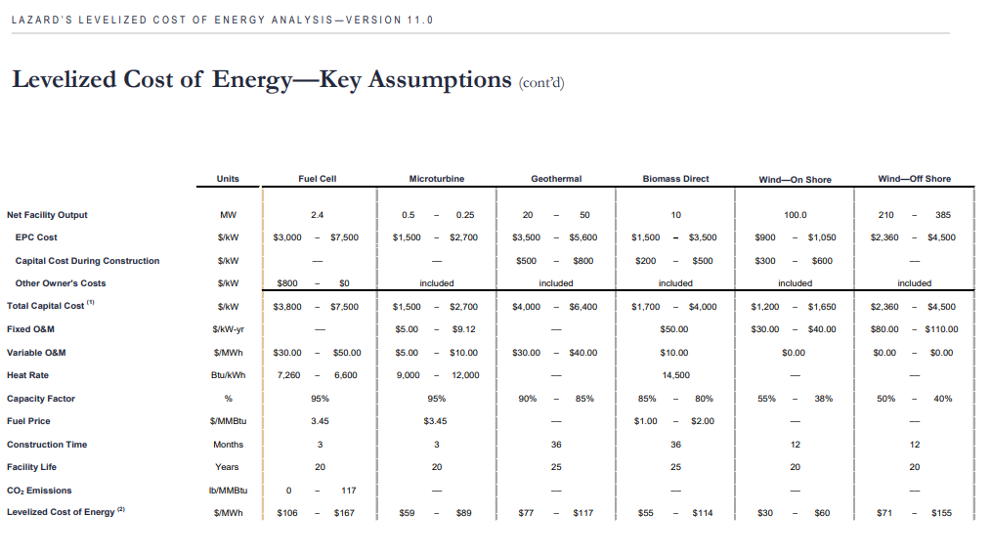
Pathways data seem to show fixed O&M costs as zero for solar PV and wind. These are estimated using Lazard.

For fixed cost
40 times cost adjustment = | 44.8
by MW for EPS units = | 44800

solar PV - fixed O&M
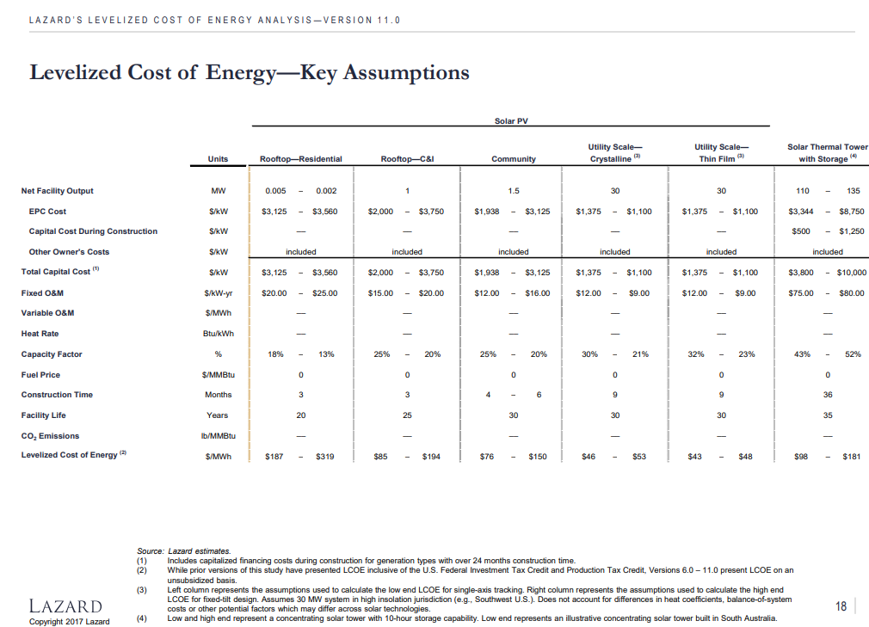
Pathways data seem to show fixed O&M costs as zero for solar PV and wind. These are estimated using Lazard.

For fixed cost
12 times cost adjustment = | 13.44
by MW for EPS units = | 13440

